Sheet1
 |  | Document No. | Issue No. | Issue Date |  | Review and Replace Date |  | Authorised By
 |  | GFF055MC | 3 | 28.09.2018 |  | 11.06.2021
 |  | Document Title | Tandoori Chicken Biryani with Vegetable Curry Sauce 350g
 |  |  |  |  |  |  |  | Magda Shah
Document amendments reason for change |  | Shelf life updated | Page 1 of 1 |  | Previous Issue Date |  | 08.09.2020 | Uncontrolled copy unless signed original

CCBIR-R4TEB | BOOTHS |  | TANDOORI CHICKEN BIRYANI WITH VEGETABLE CURRY SAUCE 350g
STEP 1 |  |  | STEP 2 |  |  |  | STEP 3
 |  |  | 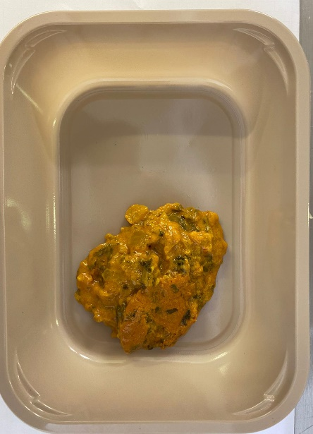 |  |  |  | 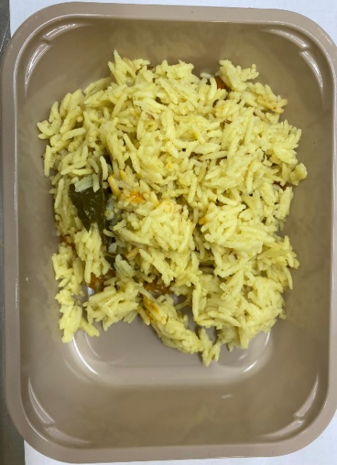

Tray: C 2200­1D Evolve CPET(PKRHP001-09) |  |  | Biryani Sauce(GFF136R): 60g |  |  |  | Biryani Rice(GFF135R): 160g
Line 1: Mylar 250LAF 250mm x 1000 (PKWRA001-08)
Line 1: K-Peel 75G + AF 25 250mm (PKKMP001-01)
Line 2: Mylar 25OLAF - 380mm wide (PKWRA001-02)
STEP 3 |  |  | STEP 4 |  |  |  | STEP 5
 |  |  |  |  |  |  | 

British Tandoori Chicken(GFF137R): 65g |  |  | Fried Onion(GFF140R): 15g |  |  |  | Jalfrezi Sauce (in pot)( GFF129R): 50g
 |  |  |  |  |  |  | TOTAL WEIGHT: 350G
ALLERGY ALERT: BARLEY, MILK

